BugReport
Bug ID | BUG_01
Summary: | [Radio Button] [Front End] User cannot choose No Radio Button as an option
Description: | When User goes to home page and checks Yes and Impressive Radio Button, the button appears to be checked, but when choosing No button, the button is not reacting and it stays unchecked

Steps to reproduce:
1 | Open Chrome browser
2 | Go to URL: https://demoqa.com/radio-button
3 | CheckYes Radio Button
4 | Check Impressive Radio Button
5 | Check No Radio Button
Expected result: | Yes and Impressive Radio Buttons are unchecked, No Radio Button is checked and the message "You have selected No" appears
Actual result: | Yes Radio Button is unchecked, Impressive Radio Button stays checked, No Radio Button is not clickable and appears as unchecked and the message "You have selected Impressive" is visible
Priority: | Medium
Severity: | Medium
Repro rate: | 100%
Environment: | Production
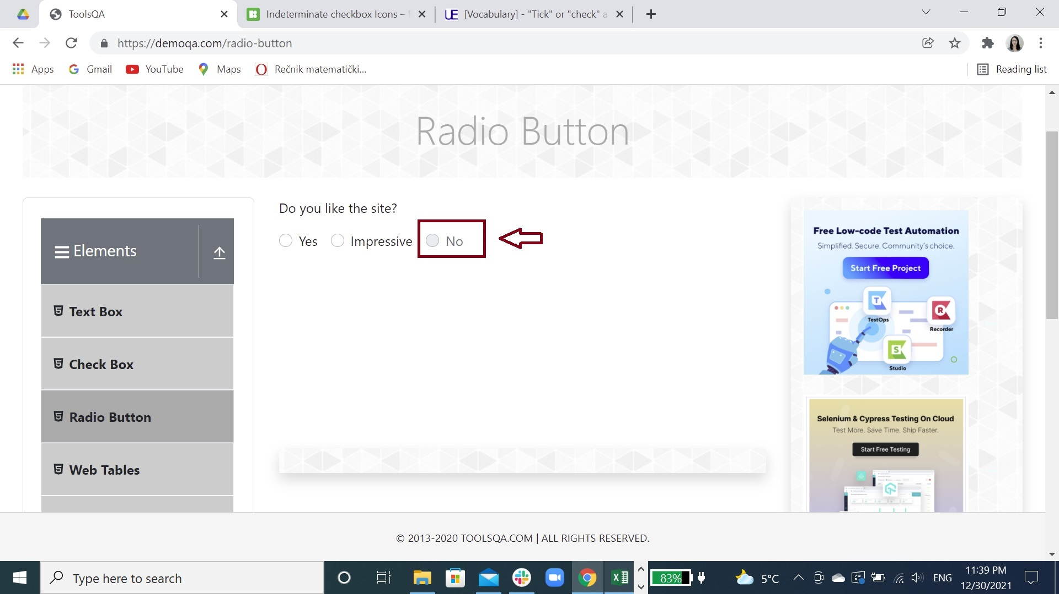
Screenshot:

